Sheet1
PROJECT NAME |  | App Data Security |  |  | TEST DATA | 1.1 (str) userName : moore | 3.4 (str) selfRating : 7.6/10
MODULE NAME |  | Task Performing |  |  |  | 1.2 (str) passwordLogin : 123 | 3.5 (int) ID_Supervisor : 1001
 |  |  |  |  |  | 2.1 (int) choice : 2
TEST DESIGNED BY |  | Luu Dieu Co |  |  |  | 3.1 (str) answer1 : teach intermittent urinary catheterization.
TEST DESIGNED DATE |  | 15/5/2019 |  |  |  | 3.2 (str) answer2 : dependent upon medical diagnoses for the direction of appropriate interventions.
TEST EXECUTED BY |  | Tran Hoang Chuong |  |  |  | 3.3 (str) answer3 : medicate the patient for pain.
TEST EXECUTED DATE |  | 16/5/2019

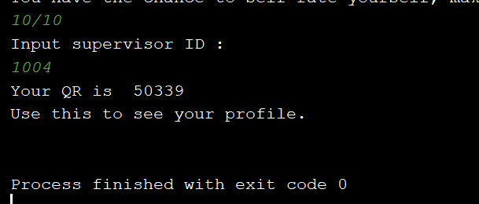
TEST CASE # | TEST CASE TITLE |  |  | TEST CASE DESCRIPTION |  | TEST CASE STEPS | POST CONDITION | STATUS | FAIL CONDITION | TEST CASE #3 - FAIL CONDITION
#1 | Application login |  |  | Trainee logs in the application by entering their username and password |  | 1.1 Input username | Username and password must be available | OK | Username or password is not exist
 |  |  |  |  |  | 1.2 Input password
#2 | Functional addressing |  |  | Trainee chooses the task performing function |  | 2.1 Input choice | Choice should be available (from range 1 - 5) | OK | Choice is not correct (lower than 1 or exceeding 5)

#3 | Answering tasks and submitting to server database |  |  | Trainee answers task #1 #2 #2, makes their self-rating and inputs the supervisor's ID |  | 3.1 Input task #1 | ID supervisor must be correct | OK | ID supervisor not correct and exist
 |  |  |  |  |  | 3.2 Input task #2
 |  |  |  |  |  | 3.3 Input task #3
 |  |  |  |  |  | 3.4 Input user self-rating
 |  |  |  |  |  | 3.5 Input ID supervisor

Expected result |  |  | Actual result

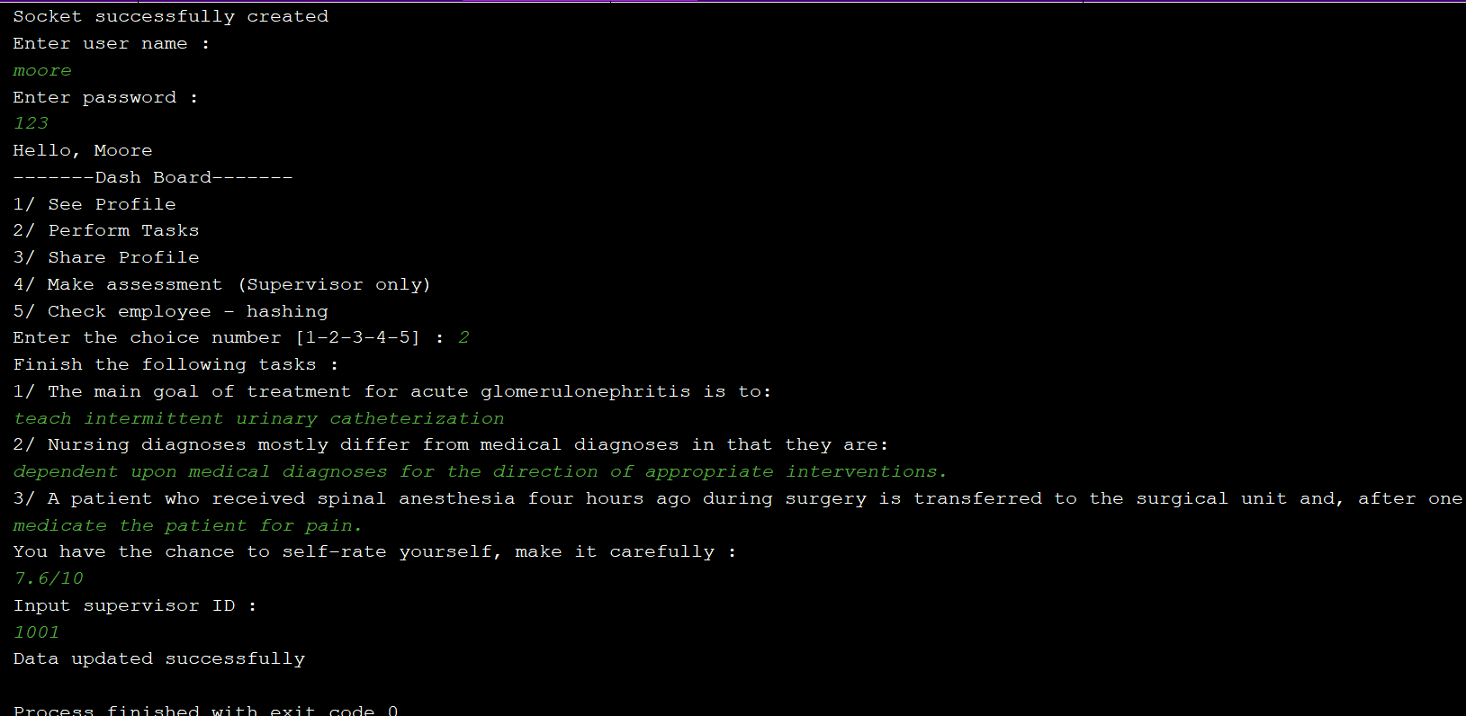
The client interface will print out the line "Data updated successfully"

